MONITOR SPECS
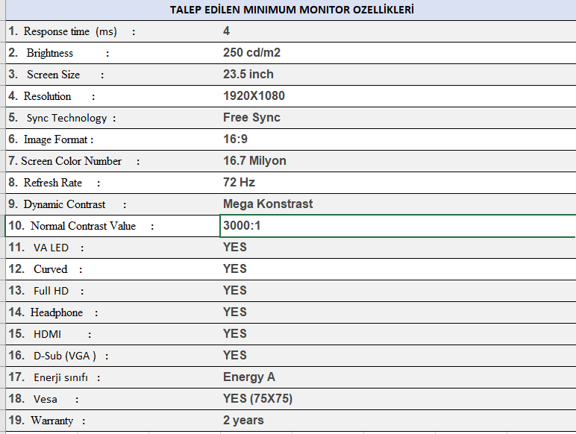

LAPTOP SPECS
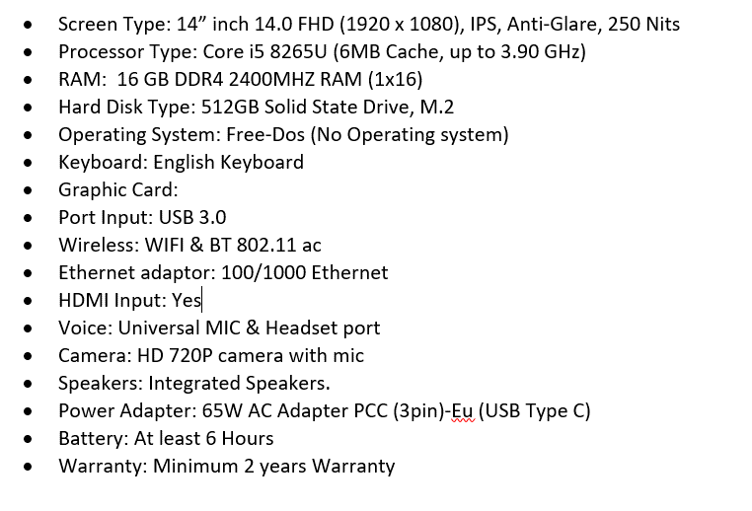
TALEP EDILEN LAPTOP ÖZELLİKLERİ

